1.2 Cost of Capital
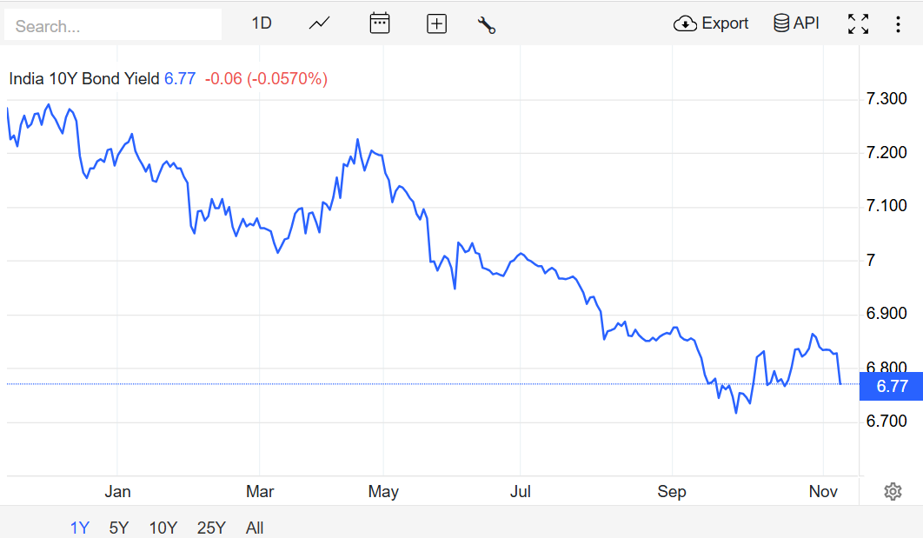
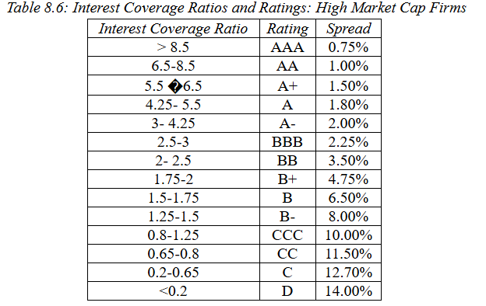
BETA THROUGH REGRESSION = 0.888
( Google Colab LINK ) | ( 5 Years data is taken)

Rf | 6.77%
EBIT | 9676.32
Interest Expense | 3107.88
Interest Coverage Ratio | 3.1134792849

Credit rating | A-
Default Spread | 2%

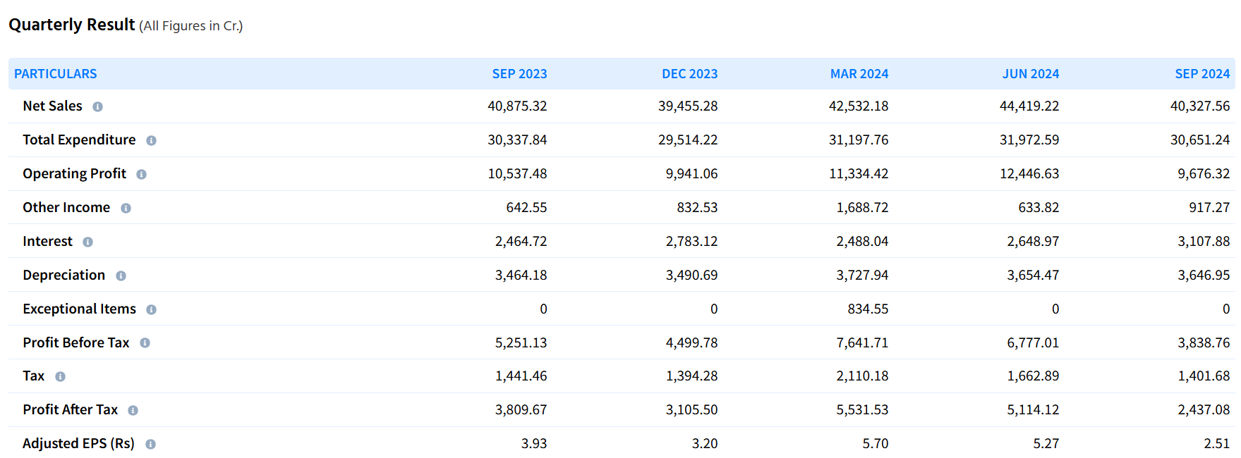
Cost of Debt | 8.77%

Source for Risk Free Rate
Source for EBIT/Interest
Source for Default Spread

TAX | 25%

Market Returns | 15.06%
Market Risk Premium | 8.29%

Cost Of Equity | 14.13%

Shares Outstanding | 9695937500
Price per share | 396

Market Value of Equity | 3839591250000

Interest | 31078800000
T | 15 | ( Average Bond Maturity)
Debt | 1853814900000 | Source

Market Value of Debt | $779,281,206,537.25 | 7.7928120654E+11

D/E | 0.20295941828

D/V | 0.16871676234
E/V | 0.83128323766

COST OF CAPITAL | 0.12857030203 | 12.86%

